Bug Report
No | Judul Bug | Environment | Platform | Priority | Severity | Step to Reproduce | Test Data | Actual Result | Impact | Attachment | Assignee | Status
1 | No validation message appears when invalid input is entered in Username and Age fields on Add Users page | Dev | Website | High | Medium | 1. Open Belajar Bareng Platform. 2. Login with valid credentials. 3. Navigate to Add Users page. 4. Click the Username input field. 5. Type numeric or special character input, for example John123 or John@#. 6. Observe the Username field. 7. Click the Age input field. 8. Type alphabet or special character input, for example Twenty or 25@. 9. Observe the Age field. | 1.Username: John123, John@#, 12345, @#$% 2. Age: Twenty, 25Years, 25@, @#$% | The system automatically prevents invalid characters from appearing in the input field, but no validation message is displayed to inform the user that the input is not allowed. | Users may not understand why the typed characters do not appear in the field. This can cause confusion and reduce usability, especially when users input invalid data without receiving any feedback from the system. |  | Developer | OPEN
2 | Logout icon is not visible on mobile view | Dev | Website (Mobile Responsive View) | High | High | 1. Open Belajar Bareng Platform. 2. Open browser Developer Tools. 3. Switch to mobile responsive view (e.g., iPhone SE, iPhone 12, Samsung Galaxy S20). 4. Login with valid credentials. 5. Observe the left-side navigation area. | Valid user account: Username: admin Password: admin | Logout icon is not visible in mobile view. Users cannot easily identify or access the logout functionality. | Users may be unable to locate the logout functionality on mobile devices. | 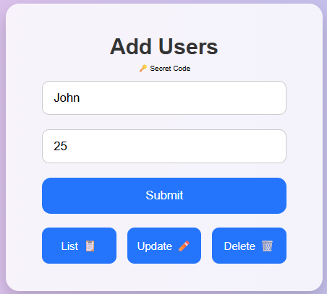 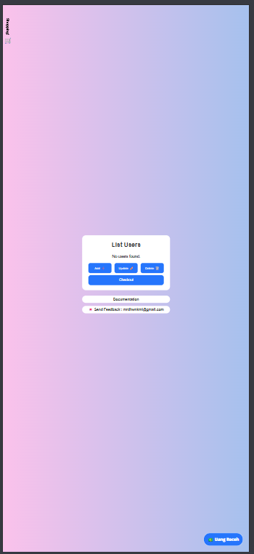 | Developer | OPEN

